Sprint 4 planning
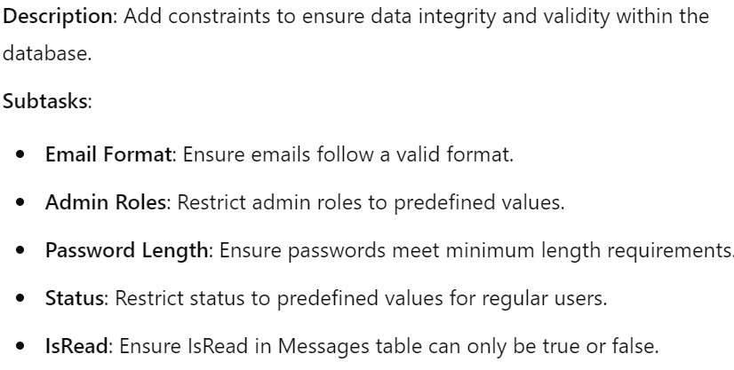
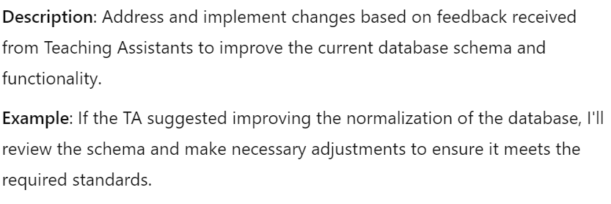
Tasks ( Sprint 4 )
Work on Initial Feedback from TAs | FALSE
Schema Updates: Create Person, Admin, and RegularUser tables with inheritance. | FALSE
Check Constraints: Add constraints for email format, admin roles, password length, status, and IsRead. | FALSE
Triggers: Create trigger to update LastUpdated in Projects table. | FALSE
Handling NULL Values: Allow NULL values in Bio and ProfilePic fields. | FALSE
Inserting Sample Data: Insert sample data into all tables using subqueries. | FALSE
Functional Dependencies and Normal Forms: Ensure schema adheres to 3NF and 4NF. | FALSE
Testing SQL: Verify referential integrity and constraints with sample data. | FALSE
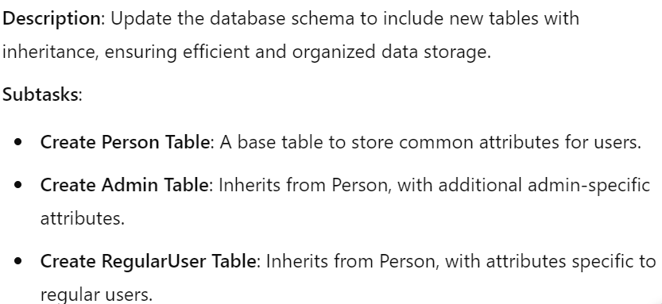
Simplifying Queries: Use subqueries for data insertion and optimized queries. | FALSE

Sprint 5 planning
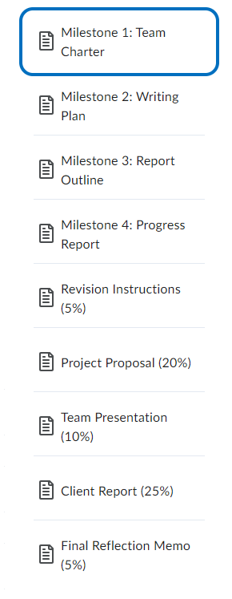
Tasks ( Sprint 5 )
Work on Initial Feedback from TAs | TRUE | (Work with the TA on collab)
Analyze the performance of SQL queries and optimize them. | TRUE
Interfacing with an RDBMS: Develop a Python interface to interact with the SQLite database. | TRUE | (improve with feedback)

